Sheet2
 |  |  |  |  |  | PROPERTYSQFT | All
Row Labels | Count of TYPE | Row Labels | Sum of price per sqft
Coming Soon | 2 | Bronx County | 49697.901954 |  |  | Count of BATH | Count of BEDS
Condo | 842 | Brooklyn | 5918.3669117 |  |  | 4587 | 4587 | 9174
Condop for sale | 4 | Flatbush | 619.04761905
Contingent | 87 | Kings County | 288691.25263 |  |  |  |  |  | Count of BATH | Count of BEDS
Co-op | 1388 | New York | 2059762.7149 |  |  |  |  |  | 4587 | 4587
For sale | 20 | New York County | 1145379.9104
Foreclosure | 14 | Queens | 2087.5823799
House | 966 | Queens County | 188734.36915 | Row Labels | Average of PRICE |  | Row Labels | Count of TYPE |  |  |  |  | Average of PROPERTYSQFT
Land for sale | 47 | Richmond County | 21942.871603 | New York | 3227003.5557 |  | Bronx County | 30 |  |  | Count of ADDRESS | Average of price per sqft | 2177.7124263
Mobile house | 1 | The Bronx | 1060.7263962 | New York County | 2611791.3194 |  | Brooklyn | 4 |  |  | 4587 | 825.55790605
Multi-family home | 699 | United States | 22939.371087 | Brooklyn | 1426166.6667 |  | Flatbush | 1
Pending | 229 | Grand Total | 3786834.115 | United States | 1327848.3243 |  | Kings County | 182
Townhouse | 288 |  |  | Kings County | 859313.54977 |  | New York | 134 |  |  |  |  | Row Labels | Count of BROKERTITLE
Grand Total | 4587 |  |  | Flatbush | 650000 |  | New York County | 320 |  |  |  |  | COMPASS | 436
Loacality and Cost per sqft
 |  |  |  | Queens | 517333.33333 |  | Queens | 1 |  |  |  |  | Grand Total | 436
House type
 |  |  |  | Richmond County | 449264.39655 |  | Queens County | 132
 |  |  |  | Queens County | 443988.54664 |  | Richmond County | 36
 |  |  |  | Bronx County | 338824.94767 |  | United States | 2
 |  |  |  | The Bronx | 306000 |  | Grand Total | 842
 |  |  |  | Grand Total | 2381171.6824
Average price by bedrooms
 |  |  |  |  |  |  |  |  |  | Row Labels | Average of PRICE
 |  |  |  |  |  |  |  |  |  | 1 | 783204.38021
 |  |  |  |  |  |  |  |  |  | 2 | 1427850.3968
 |  |  |  |  |  |  |  |  |  | 3 | 2268899.076
 |  |  |  |  |  |  |  |  |  | 4 | 7716814.7593
 |  |  |  |  |  |  |  |  |  | 5 | 13223363.636
 |  |  |  |  |  |  |  |  |  | 6 | 17299000
 |  |  |  |  |  |  |  |  |  | 7 | 80083333.333
 |  |  |  |  |  |  |  |  |  | 11 | 747000
 |  |  |  |  |  |  |  |  |  | Grand Total | 2615780.1449

NY-House Dashboard
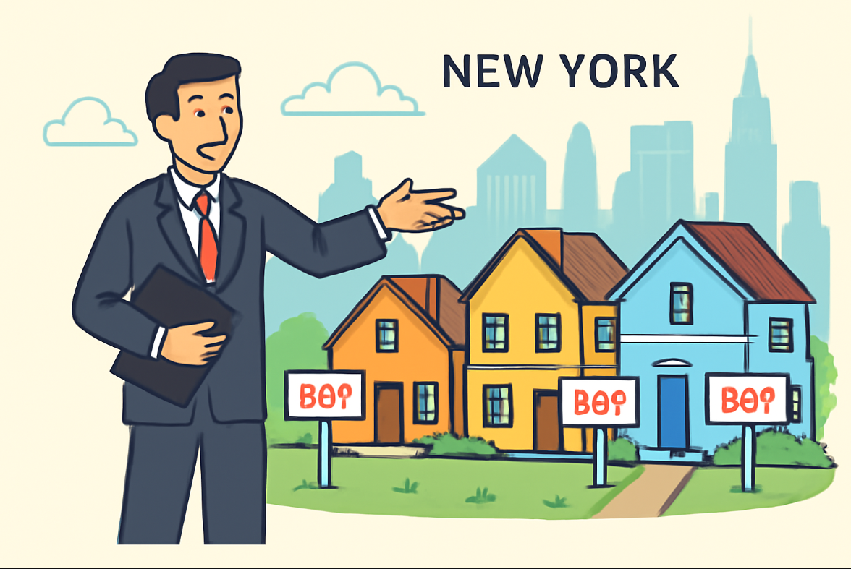
NEW YORK HOUSING DASHBOARD

House type
 | Total
Coming Soon | 2
Condo | 842
Condop for sale | 4
Contingent | 87
Co-op | 1388
For sale | 20
Foreclosure | 14
House | 966
Land for sale | 47
Mobile house | 1
Multi-family home | 699
Pending | 229
Townhouse | 288
Locality and price per sqft
 | Total
Bronx County | 49697.901954
Brooklyn | 5918.3669117
Flatbush | 619.04761905
Kings County | 288691.25263
New York | 2059762.7149
New York County | 1145379.9104
Queens | 2087.5823799
Queens County | 188734.36915
Richmond County | 21942.871603
The Bronx | 1060.7263962
United States | 22939.371087

 |  |  | Total listings
 |  |  | 4587

Average price by bedrooms
 | Total
1 | 783204.38021
2 | 1427850.3968
3 | 2268899.076
4 | 7716814.7593
5 | 13223363.636
6 | 17299000
7 | 80083333.333
11 | 747000
 |  |  | Average price per sqft
 |  |  | 825.55790605
 | Locality | Type of house count
 | Bronx County | 30
 | Brooklyn | 4
 | Flatbush | 1 | Average property size
 | Kings County | 182 | 2177.7124263
 | New York | 134
 | New York County | 320
 | Queens | 1
 | Queens County | 132 | Top broker name
 | Richmond County | 36 | COMPASS | 436
 | United States | 2
 | Grand Total | 842

